Certificates
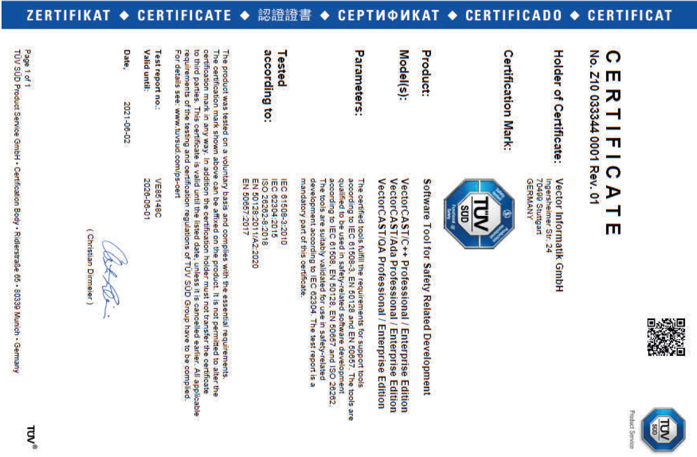
Vector Cast ISO compliant certificate

